IEPD Instructions
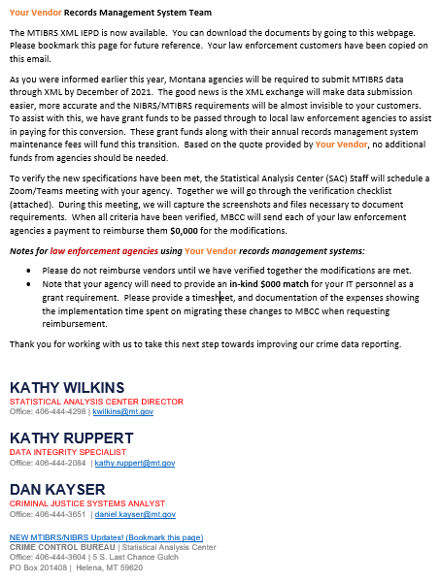
Your agency should have been copied on an email to your vendor. The notice would have looked like the following email.

